Sheet 2
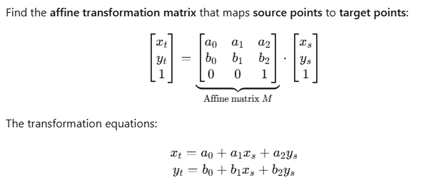
 |  |  | Source x (E) | Source y (N) |  |  | Target x (E) |  | Target y (N)
 |  | 1 | 644005.7760 | 488591.5266 |  |  | 643999.131 |  | 488507.631
X | = | 1 | 650091.4286 | 489757.2155 |  | Yx = | 650080.344 | Yy = | 489696.262
3x3 |  | 1 | 657073.5145 | 490392.2533 |  |  | 657059.985 |  | 490357.627

 |  | 1.000 | 1.000 | 1.000
XT | = | 644005.776 | 650091.429 | 657073.515
3x3 |  | 488591.527 | 489757.216 | 490392.253

 |  | 2259590.5512 | 0.76132775772 | -5.6267586375
(XTX)-1 | = | 0.76132775773 | 2.7393379932E-07 | -1.9189733862E-06
3x3 |  | -5.6267586375 | -1.9189733862E-06 | 1.4042312878E-05

 |  | 703.43210024 | -1222.4417382 | 520.00963797
(XTX)-1XT | = | 0.00014857046497 | -0.00042128957265 | 0.00027271910768
3x3 |  | -0.0016334960685 | 0.0030572668068 | -0.0014237707383

 |  | A0 |  |  |  | 1840.6379286647
A | = | A1 | = | (XTX)-1XTYx | = | 0.9999929166
3x1 |  | A2 |  |  |  | -0.0037714976

 |  | B0 |  |  |  | -2509.0279114246
B | = | B1 | = | (XTX)-1XTYy | = | 0.0037713404
3x1 |  | B2 |  |  |  | 0.9999925640

